Table
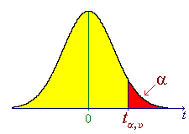
Enter valid values in the yellow boxes:
a | must be in (0, 1)
n | must be a positive integer

 | t-distribution calculator |  | Inverse, to find critical values:

 | t = | 4.6 | a = | 0.005
 | n = | 4 | n = | 4
 | P[T>t] = | 0.0050154465851 | ta, n = | 4.6040948713
 | P[|T|>|t|] = | 0.01003089317 | where P[T > ta, n ] = a
 |  |  | Compare with
 |  |  | za = | 2.5758293035

